Sheet1
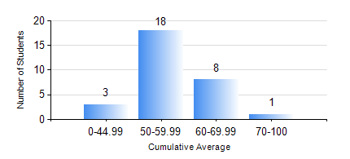
 |  |  | KWAME NKRUMAH UNIVERSITY OF SCIENCE AND TECHNOLOGY, KUMASI Department of Mechanical Engineering

 |  |  | BSC. MARINE ENG.

 |  |  | COMPREHENSIVE RECORD OF EXAMINATION RESULTS

 |  |  | RESULTS OF YEAR 2 SECOND SEMESTER, 2023/2024 ACADEMIC YEAR

 | Sn | Course Code |  | Course Name | Credit Hours | Min. Mark | Max. Mark | Avg. Mark | Std. Dev. | No. Passed | No. Trailed | No. (Df) | No. (I) | No. (I*) | No. Tagged(I,I*,Df) | Total
 | 0. |  |  |  |  |  |  | 0 | 0 | 0 | 0 | 0 | 0 | 0 | 0 | 7
 | 1. | MATH 252 |  | CALCULUS WITH SEVERAL VARIABLES | 4 | 19 | 80 | 55 | 14.54 | 21 | 2 | 0 | 0 | 0 | 0 | 23
 | 2. | ME 252 |  | FLUID DYNAMICS I | 2 | 24 | 83 | 50 | 12.64 | 21 | 2 | 0 | 0 | 0 | 0 | 23
 | 3. | ME 270 |  | MANUFACTURING TECHNOLOGY | 3 | 41 | 78 | 65 | 10.64 | 23 | 0 | 0 | 0 | 0 | 0 | 23
 | 4. | MME 264 |  | MARINE MECHANISMS, SYSTHESIS AND ANALYSIS | 3 | 20 | 79 | 50 | 13.39 | 20 | 3 | 0 | 0 | 0 | 0 | 23
 | 5. | MME 274 |  | MARINE ENGINEERING DESIGN PROJECT II | 2 | 22 | 64 | 47 | 8.91 | 22 | 1 | 0 | 0 | 0 | 0 | 23
 | 6. | MME 292 |  | SEAMANSHIP | 2 | 40 | 90 | 66 | 11.17 | 23 | 0 | 0 | 0 | 0 | 0 | 23
 | 7. | MME 296 |  | MARINE ENGINEERING LABORATORY I | 1 | 50 | 75 | 70 | 6.95 | 22 | 0 | 1 | 0 | 0 | 1 | 23
 | 8. | SES 172 |  | AQUATIC STROKES DEVELOPMENT AND REFINEMENT | 2 | 50 | 75 | 60 | 6 | 23 | 0 | 0 | 0 | 0 | 0 | 23

